Welcome Page
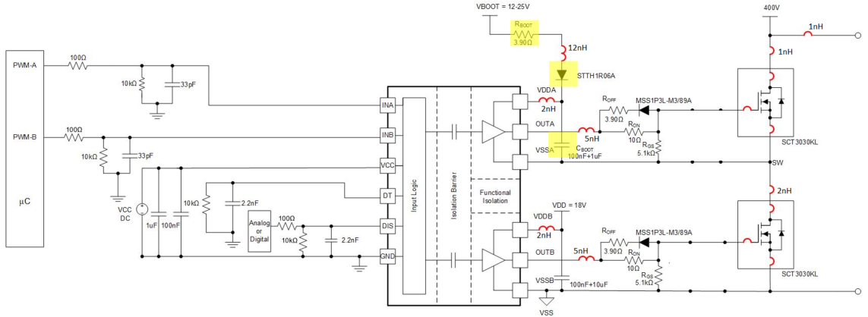
UCC21520 Bootstrap Calculator: Getting Started
© Copyright 2020 Texas Instruments Incorporated. All rights reserved.

Overcharge Calculator
Start Up Delay Calculator
dv/dt Calculator
Bootstrap Design Calculator

Introduction
This calculator assists in the design of a bootstrap power supply for the UCC21520. While specific values are calculated for the UCC21520, the general principles and patterns apply to all bootstrap circuits. Recommended bootstrap resistance and capacitance values are calculated, and design considerations are discussed. This calculator reduces design time and helps ensure that common pitfalls are avoided. An example schematic is shown below, with the bootstrap resistor, capacitor, and diode highlighted in yellow.
Note: This tool cannot consider all possible variations in design and as such the results should be taken as estimates rather than solid values
Using This Calculator
This calculator is split into four tools. The first three tools allow you to estimate Bootstrap Capacitor Overcharge, Driver Start Up Delay, and peak dV/dt across CBoot for your circuit. The final tool allows you to enter your required parameters and outputs a set of suggested values for the Bootstrap components, the components highlighted yellow in the figure. These tools can be accessed by clicking the buttons above.
Assumptions
This calculator takes into account normal values of parasitic inductance for the traces, and normal ESR and ESL for the bootstrap capacitor. These parasitics are noted on the schematic below. Care should be taken to minimize parasitics and to select low ESR and ESL multi-layer ceramic capacitors, as these measures will help prevent unreliable operation.

UCC21520 Product Page

Resources
Technote on Bootstrap Circuitry Selections for Half-Bridge Configurations
High-side supply dV/dt E2E FAQ
Driver Power Up Delay E2E FAQ
Bootstrap Capacitor Overcharge E2E FAQ
If you have more questions feel free to post on TI's online E2E.ti.com forum

Overcharge Considerations
UCC21520 Overcharge Considerations
© Copyright 2020 Texas Instruments Incorporated. All rights reserved.

Taking Bootstrap Capacitor Overcharge Into Consideration
Bootstrap capacitor overcharge occurs when the voltage across the bootstrap capacitor climbs to a level higher than VBoot. This causes problems as the capacitor voltage approaches the recommended max of the driver.
What Causes Overcharge?
Overcharge is generally a result of switch node undershoot.
Switch node undershoot, shown in the figure to the right, is caused as current through the low side FET induces a voltage when the high side FET turns off. This is because the load continues to draw current, so when the high-side FET no longer supplies current, it is drawn through the low-side FET, as is shown in the schematic to the right. There are three components of undershoot that need to be understood. The first is the portion highlighted red in the plot to the right. This segment, a large negative spike, is caused by parasitic inductance at the switch node (Highlighted red in the schematic). The second segment, the two yellow highlighted regions in the figure, are caused by the reverse current (the blue arrow in the schematic) during the dead time of the driver, when neither switch is on. The magnitude of this component is determined by the characteristics of the switch, and the load current. Finally, the green region on the plot is a minimal undershoot that is dependent on the type of switch.
The general effect of such switch node undershoot is to cause the voltage across CBoot to climb, which can lead to voltages above the recommended maximum of the driver. This overcharge in CBoot is shown in the simulation on the far right. In this case, the recommended max of the driver is 25V.
How to design for Overcharge:
If you notice overcharge or voltage spikes across your bootstrap capacitor, increase the bootstrap capacitance and/or resistance to reduce the effects. The importance of bootstrap resistance in controlling overcharge is shown in the simulation to the far right, with increasing capacitance having similar effects. The amount of adjustment needed will very based on specific application, with many factors having an effect. Other suggestions that can improve overcharge include:
Optimizing Dead Time
Minimizing the parasitic inductance at the switch node (highlighted red in schematic)
Increasing CBoot
Increasing RBoot

Return to Start Page

Simulated with a SiC Mosfets, VBoot=18V, CBoot = 2.2uF, RBoot = 2.2Ohm, Frequency = 200kHz, duty cycle = 50%, dead time = 200ns

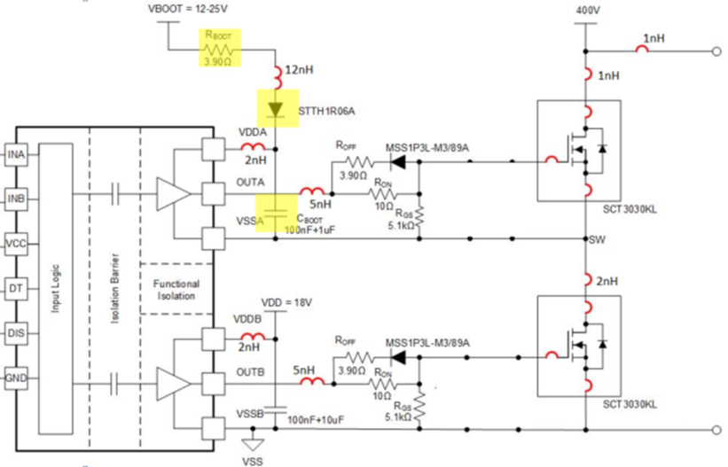
Switch Node Current when High Side is on
Switch Node current right after high side turns off

-
Switch
Node
Undershoot
+

Simulated with a SiC Mosfets, VBoot=18V, CBoot = 2.2uF, Frequency = 200kHz, duty cycle = 50%, dead time = 200ns

Start Up Delay Calculator
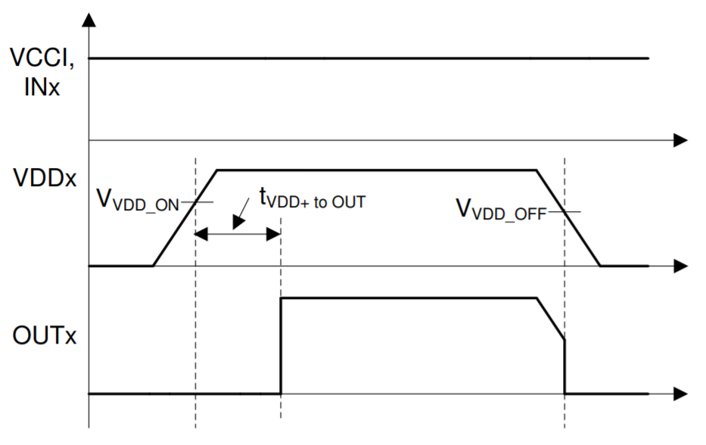
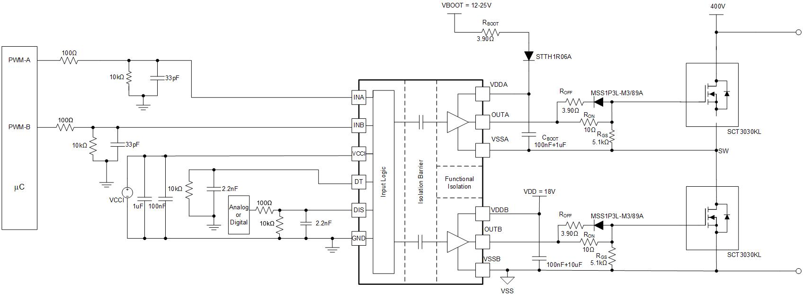
UCC21520 Start Up Delay Calculator
© Copyright 2020 Texas Instruments Incorporated. All rights reserved.

Instructions
Start up delay refers to the time from the activation of the driver to the first high-side output pulse. This includes the time it takes the bootstrap capacitor to reach the UVLO level, plus the VDDA Power-up Delay Time ($t_{VDD+to OUT})$of 50 us for UCC21520. $t_{VDD+to OUT}$ is shown in the timing diagram below.
To plot the startup delay for a range of bootstrap resistance and capacitance values, enter the values in green boxes.
To estimate the startup delay for a given bootstrap resistance and capacitance, also enter those values in the blue boxes.
Please Enter: |  |  | Description
Max duty cycle (%) | 50.0 | % | Percent On Time of PWM-A
Dead Time (ns) | 100.0 | ns | 10*R_DT(Kohm)
Return to Start Page
Frequency (kHz) | 200.0 | kHz | Max PWM Frequency

CBoot(uF) | 2.2 | uF
RBoot (Ohm) | 3.3 | Ohm

Estimated Startup time (us): | 62.63 | us

Estimated Start Up Delay UCC21520
 | 100nF Bootstrap Capacitance | 220nF Bootstrap Capacitance | 1uF Bootstrap Capacitance | 2.2uF Bootstrap Capacitance | 4.7uF Bootstrap Capacitance | 10uF Bootstrap Capacitance
0.1 | 50.017391304 | 50.03826087 | 50.173913043 | 50.382608696 | 50.817391304 | 51.739130435
1 | 50.173913043 | 50.382608696 | 51.739130435 | 53.826086957 | 58.173913043 | 67.391304348
1.5 | 50.260869565 | 50.573913043 | 52.608695652 | 55.739130435 | 62.260869565 | 76.086956522
2.2 | 50.382608696 | 50.84173913 | 53.826086957 | 58.417391304 | 67.982608696 | 88.260869565
3.3 | 50.573913043 | 51.262608696 | 55.739130435 | 62.626086957 | 76.973913043 | 107.39130435
4.7 | 50.817391304 | 51.79826087 | 58.173913043 | 67.982608696 | 88.417391304 | 131.73913043
10 | 51.739130435 | 53.826086957 | 67.391304348 | 88.260869565 | 131.73913043 | 223.91304348
15 | 52.608695652 | 55.739130435 | 76.086956522 | 107.39130435 | 172.60869565 | 310.86956522
18 | 53.130434783 | 56.886956522 | 81.304347826 | 118.86956522 | 197.13043478 | 363.04347826
22 | 53.826086957 | 58.417391304 | 88.260869565 | 134.17391304 | 229.82608696 | 432.60869565
27 | 54.695652174 | 60.330434783 | 96.956521739 | 153.30434783 | 270.69565217 | 519.56521739
47 | 58.173913043 | 67.982608696 | 131.73913043 | 229.82608696 | 434.17391304 | 867.39130435

Dvdt Calculator
UCC21520 Dv/Dt Calculator
© Copyright 2020 Texas Instruments Incorporated. All rights reserved.

Instructions
To plot the estimated start up dV/dt for a range of CBoot andRBoot values, enter the VDD supply voltage in the green box. dV/dt should be kept below 5 V/us, as indicated by the red box in the plot.
To estimate the start up dV/dt for given Cboot and Rboot values, enter those values in the blue boxes.
Please Enter:
Vboot (V) | 18.0 | V

Return to Start Page
CBoot(uF) | 2.2 | uF
RBoot (Ohm) | 3.3 | Ohm

Estimated dV/dt (V/us) | 2.5 | V/us

Estimated dV/dt
 | 220nF | 470nF | 1uF | 2.2uF | 4.7uF | Recommended Max
0.1 | 818.18181818 | 382.9787234 | 180 | 81.818181818 | 38.29787234 | 5
1 | 81.818181818 | 38.29787234 | 18 | 8.1818181818 | 3.829787234 | 5
1.5 | 54.545454545 | 25.531914894 | 12 | 5.4545454545 | 2.5531914894 | 5
2.2 | 37.190082645 | 17.408123791 | 8.1818181818 | 3.7190082645 | 1.7408123791 | 5
3.3 | 24.79338843 | 11.605415861 | 5.4545454545 | 2.479338843 | 1.1605415861 | 5
4.7 | 17.408123791 | 8.1484834767 | 3.829787234 | 1.7408123791 | 0.81484834767 | 5
10 | 8.1818181818 | 3.829787234 | 1.8 | 0.81818181818 | 0.3829787234 | 5
15 | 5.4545454545 | 2.5531914894 | 1.2 | 0.54545454545 | 0.25531914894 | 5
18 | 4.5454545455 | 2.1276595745 | 1 | 0.45454545455 | 0.21276595745 | 5
22 | 3.7190082645 | 1.7408123791 | 0.81818181818 | 0.37190082645 | 0.17408123791 | 5
27 | 3.0303030303 | 1.4184397163 | 0.66666666667 | 0.30303030303 | 0.14184397163 | 5
47 | 1.7408123791 | 0.81484834767 | 0.3829787234 | 0.17408123791 | 0.081484834767 | 5

Bootstrap Design Calculator
UCC21520 Bootstrap Design Calculator
© Copyright 2020 Texas Instruments Incorporated. All rights reserved.

Please Enter: |  |  | Description
Max duty cycle (%) | 50.0 | % | Percent On Time of PWM-A
Dead Time (ns) | 100.0 | ns | 10*R_DT(Kohm)
Return to Start Page
Max Frequency (kHz) | 200.0 | kHz | Max PWM Frequency
VBOOT (V) | 18.0 | V
Allowable Ripple Voltage(V) | 0.2 | V | Allowable voltage ripple on VDDA
Switch Gate Charge(nC) | 70.0 | nC | Read from FET datasheet for the proper driving voltage
Minimum Bootstrap Capacitor and Resistor Values
 | Diode Current Limit |  | dV/dt limit |  | Minimum Cap
1.8 | 0.1 | 36 | 0.1 | 0.1 | 0.739
1.8 | 0.5 | 7.2 | 0.5 | 0.5 | 0.739
1.8 | 1 | 3.6 | 1 | 1 | 0.739
1.8 | 1.5 | 2.4 | 1.5 | 1.5 | 0.739
1.8 | 2.2 | 1.6363636364 | 2.2 | 2.2 | 0.739
1.8 | 3.3 | 1.0909090909 | 3.3 | 3.3 | 0.739
1.8 | 4.7 | 0.76595744681 | 4.7 | 4.7 | 0.739
1.8 | 10 | 0.36 | 10 | 10 | 0.739
 |  |  |  | 15 | 0.739
 |  |  |  | 18 | 0.739
 |  |  |  | 22 | 0.739
 |  |  |  | 27 | 0.739
 |  |  |  | 47 | 0.739
Instructions
To plot the minimum recommended CBoot and RBoot values enter the necessary information from your application in the green boxes.
The plot on the right shows the minimum values for different considerations, with the red line showing the minimum values to keep below 5 V/us V/dt, the blue line to keep below a 5A peak bootstrap diode current, and the green line keep below the specified ripple voltage and allow normal operation.
Always choose a value that is above and to the right of all three lines. Refer to the Overcharge page to adjust for overvoltage on the bootstrap capacitor, generally by moving farther up and to the right of the plot.

Example
For example, for a circuit where VBoot = VDD = 18V and
dead time = 100ns, driven with a 200kHz
50% duty cycle input pulse, and driving a SiC FET
with a required gate charge of 70nC, and a maximum
ripple voltage of 0.2V, the plot to the right is produced.
According to this plot, Capacitor and resistor values should
be chosen in the green region, with CBoot = 2.2uF and
RBoot = 2.2 Ohms being acceptable, but CBoot = 1uF and
RBoot = 2 Ohm leading to failure.
Both CBoot and RBoot can be increased to improve
overshoot results.
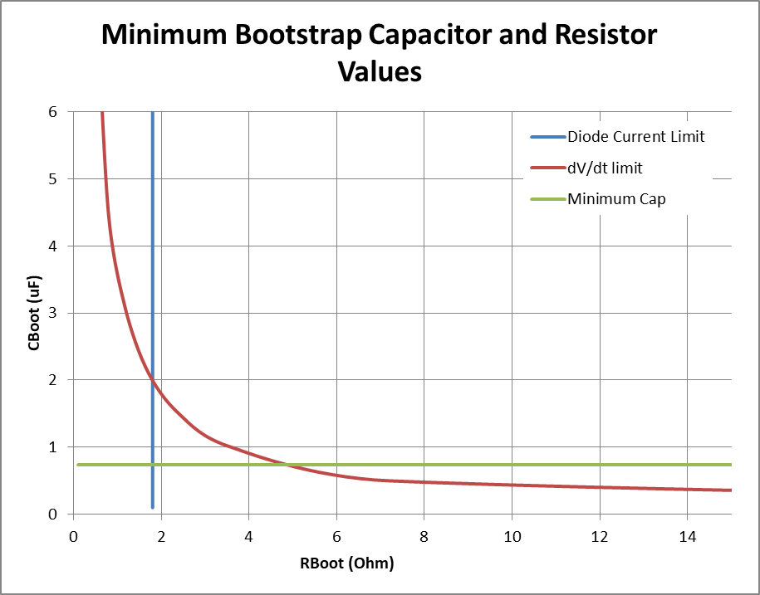

R_DT

Assets
delay calculator | ucc21520
resistance, Cap | 0.1 | 0.22 | 1 | 2.2 | 4.7 | 10 | cap, uF
0.1 | 50.017391304 | 50.03826087 | 50.173913043 | 50.382608696 | 50.817391304 | 51.739130435
Note
This page holds the background calculations for the graphs on other pages. Generally this page can be ignored as the results are shown on the other pages
1 | 50.173913043 | 50.382608696 | 51.739130435 | 53.826086957 | 58.173913043 | 67.391304348
1.5 | 50.260869565 | 50.573913043 | 52.608695652 | 55.739130435 | 62.260869565 | 76.086956522
2.2 | 50.382608696 | 50.84173913 | 53.826086957 | 58.417391304 | 67.982608696 | 88.260869565
3.3 | 50.573913043 | 51.262608696 | 55.739130435 | 62.626086957 | 76.973913043 | 107.39130435
4.7 | 50.817391304 | 51.79826087 | 58.173913043 | 67.982608696 | 88.417391304 | 131.73913043
10 | 51.739130435 | 53.826086957 | 67.391304348 | 88.260869565 | 131.73913043 | 223.91304348
15 | 52.608695652 | 55.739130435 | 76.086956522 | 107.39130435 | 172.60869565 | 310.86956522
18 | 53.130434783 | 56.886956522 | 81.304347826 | 118.86956522 | 197.13043478 | 363.04347826
22 | 53.826086957 | 58.417391304 | 88.260869565 | 134.17391304 | 229.82608696 | 432.60869565
27 | 54.695652174 | 60.330434783 | 96.956521739 | 153.30434783 | 270.69565217 | 519.56521739
47 | 58.173913043 | 67.982608696 | 131.73913043 | 229.82608696 | 434.17391304 | 867.39130435

dv/dt Calculator | UCC21520 |  |  |  |  |  |  |  | UCC21222
resistance, Cap | 0.1 | 0.22 | 0.47 | 1 | 2.2 | 4.7 | cap, uF | Recommended Max
0.1 | 1800 | 818.18181818 | 382.9787234 | 180 | 81.818181818 | 38.29787234 |  | 5
1 | 180 | 81.818181818 | 38.29787234 | 18 | 8.1818181818 | 3.829787234 |  | 5
1.5 | 120 | 54.545454545 | 25.531914894 | 12 | 5.4545454545 | 2.5531914894 |  | 5
2.2 | 81.818181818 | 37.190082645 | 17.408123791 | 8.1818181818 | 3.7190082645 | 1.7408123791 |  | 5
3.3 | 54.545454545 | 24.79338843 | 11.605415861 | 5.4545454545 | 2.479338843 | 1.1605415861 |  | 5
4.7 | 38.29787234 | 17.408123791 | 8.1484834767 | 3.829787234 | 1.7408123791 | 0.81484834767 |  | 5
10 | 18 | 8.1818181818 | 3.829787234 | 1.8 | 0.81818181818 | 0.3829787234 |  | 5
15 | 12 | 5.4545454545 | 2.5531914894 | 1.2 | 0.54545454545 | 0.25531914894 |  | 5
18 | 10 | 4.5454545455 | 2.1276595745 | 1 | 0.45454545455 | 0.21276595745 |  | 5
22 | 8.1818181818 | 3.7190082645 | 1.7408123791 | 0.81818181818 | 0.37190082645 | 0.17408123791 |  | 5
27 | 6.6666666667 | 3.0303030303 | 1.4184397163 | 0.66666666667 | 0.30303030303 | 0.14184397163 |  | 5
47 | 3.829787234 | 1.7408123791 | 0.81484834767 | 0.3829787234 | 0.17408123791 | 0.081484834767 |  | 5

 |  |  | Max current diode = 10A |  |  | Max dvdt = 5V/us
Minimum duty cycle(%) |  |  |  | 10
Max duty cycle (%) | 50 |  | Cap | MinR current | MinR dvdt limit |  | R | min C
dead time (ns) | 100 |  | 0.1 | 1.8 | 36 |  | 0.1 | 0.739
Max Frequency (kHz) | 200 |  | 0.5 | 1.8 | 7.2 |  | 0.5 | 0.739
VCC (V) | 18 |  | 1 | 1.8 | 3.6 |  | 1 | 0.739
Allowable Ripple Voltage(V) | 0.2 |  | 1.5 | 1.8 | 2.4 |  | 1.5 | 0.739
UVLO level(V) |  |  | 2.2 | 1.8 | 1.6363636364 |  | 2.2 | 0.739
Switch Gate Charge(nC) | 70 |  | 3.3 | 1.8 | 1.0909090909 |  | 3.3 | 0.739
Switch Drain Voltage(V) | 0 |  | 4.7 | 1.8 | 0.76595744681 |  | 4.7 | 0.739
Worst Case low side on time | 2.6 |  | 10 | 1.8 | 0.36 |  | 10 | 0.739
Worst case low side off time(us) | 2.6 |  |  |  |  |  | 15 | 0.739
Charge needed on capacitor each cycle(nC): | 73.9 |  |  |  |  |  | 18 | 0.739
Charge needed on capacitor each cycle(uC): | 0.0739 |  |  |  |  |  | 22 | 0.739
Min Cap Value(uF) | 0.739 |  |  |  |  |  | 27 | 0.739
 |  |  |  |  |  |  | 47 | 0.739

